Destination Selection



Domestic Travel | International Travel
Destination | Destination
1. San Diego | 1. London
2. Yosemite | 2.Paris
3. Grand Canyon | 3.Sydney

Covid Data-Summary
Country | New cases (per 1M) |  |  |  | New tests (per 1,000) |  |  |  |  |  | Positive test rate |  |  |  | Reproduction rate
 | 7-Jan-20 | 10-Mar-22 | Absolute Change | Relative Change | 7-Jan-20 | 10-Mar-22 | Absolute Change | Relative Change | Population | Tot.Tests | 7-Jan-20 | 10-Mar-22 | Absolute Change | Relative Change | 7-Jan-20 | 10-Mar-22 | Absolute Change | Relative Change
United Kingdom | 0.02 | 809.36 | 809.34 | 4259679% | 0.26 | 9.57 | 9.31 | 3553% | 68,486,963 | 637,614 | 26.56% | 6.94% | -19.62 | -74% | 2.40 | 1.13 | -1.27 | -53%
United States | <0.01 | 110.51 | 110.51 | 5525250% | <0.01 | 2.52 | 2.51 | 62850% | 334,273,557 | 839,027 | 10.80% | 3.30% | -7.5 | -69% | 3.62 | 0.63 | -2.99 | -83%
France | 0.01 | 865.23 | 865.22 | 7865636% | 0.58 | 4.05 | 3.47 | 599% | 65,516,925 | 227,344 | 2.20% | 20.30% | 18.1 | 823% | 3 | 0.75 | -2.25 | -75%
Australia | 0.07 | 1,140.89 | 1,140.83 | 1728524% | 0.08 | 3.16 | 3.08 | 4058% | 25,998,373 | 80,075 | 1.37% | 34.04% | 32.67 | 2385% | 2.12 | 1.22 | -0.9 | -42%
* Complete world data downloaded from https://ourworldindata.org/ and summarized above for our destinations

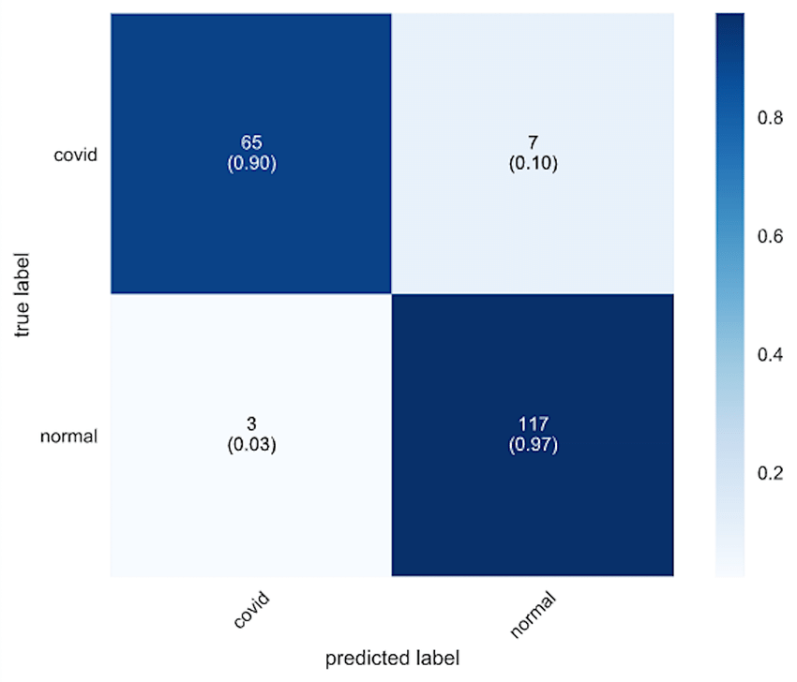

https://www.researchgate.net/figure/Confusion-Matrix-for-Covid-19-Detection-using-CNN-with-synthetic-data-augmentation-and_fig5_341401062
RTPC confusion matrix based on actual results from chest CT & other clinical data.

Covid Probability
USA
(Total Tests: 839027)
27688 with
disease
811339 without
disease
24919 test
positive
2769 test
negative
24340 test
positive
786999 test
negative
3.30%
96.7%
90%
10%
3%
97%
UK
(Total Tests: 637614)
44250 with
disease
593364 without
disease
39825 test
positive
4425 test
negative
17801 test
positive
575563 test
negative
6.94%
93.06%
90%
10%
3%
97%
Bayes Rule for Covid
 |  |  |  |  | USA |  |  |  |  |  | UK
 |  |  |  |  | Given probabilities |  |  | Bayes' rule calculations |  |  | Given probabilities |  |  | Bayes' rule calculations
 |  |  |  |  | Prior probabilities |  |  | Probabilities of test results |  |  | Prior probabilities |  |  | Probabilities of test results
 |  |  |  |  | Disease | 0.033 |  |  | Positive | Negative | Disease | 6.94 |  |  | Positive | Negative
 |  |  |  |  | No disease | 0.967 |  |  | 0.0600 | 0.940 | No disease | 93.06 |  |  | 9.0378 | 90.962
 |  |  |  |  | Sum check | 1.0000 |  |  |  |  | Sum check | 1.0000

 |  |  |  |  | Probabilities that indicate the accuracy of the test |  |  | Posterior probabilities, given test results |  |  | Probabilities that indicate the accuracy of the test |  |  | Posterior probabilities, given test results
 |  |  |  |  | Actual\Test Result | Positive | Negative | Actual\Test Result | Positive | Negative | Actual\Test Result | Positive | Negative | Actual\Test Result | Positive | Negative
 |  |  |  |  | Covid | 0.90 | 0.10 | Disease | 0.495 | 0.004 | Covid | 0.90 | 0.10 | Disease | 0.691 | 0.008
 |  |  |  |  | No Covid | 0.03 | 0.97 | No disease | 0.484 | 0.998 | No Covid | 0.03 | 0.97 | No disease | 0.309 | 0.992

 | Family's chance of having the disease, given a positive test = 24919/(24919+24340) = 50.58% |  | Family's chance of having the disease, given a positive test = 39825/(39825+17801) =69%
 | Family's chance of having the disease, given a negative test = 2769/(2769+786999) = 3.15% |  | Family's chance of having the disease, given a negative test = 4425/(4425+575563) = 0.763%

France
(Total Tests: 227344)
46151 with
disease
181193 without
disease
41536 test
positive
4615 test
negative
5436 test
positive
175757 test
negative
20.30%
79.7%
90%
10%
3%
97%
Australia
(Total Tests: 80075)
27258 with
disease
52817 without
disease
24532 test
positive
2726 test
negative
1585 test
positive
51232 test
negative
34.04%
65.96%
90%
10%
3%
97%
 |  | Family's chance of testing positive = (24919+24340)/839027 =6.00% |  | Family's chance of testing positive = (39825+17801)/637614 = 9.03%
 |  |  |  |  | France |  |  |  |  |  | Australia
 |  |  |  |  | Given probabilities |  |  | Bayes' rule calculations |  |  | Given probabilities |  |  | Bayes' rule calculations
 |  |  |  |  | Prior probabilities |  |  | Probabilities of test results |  |  | Prior probabilities |  |  | Probabilities of test results
 |  |  |  |  | Disease | 20.3 |  |  | Positive | Negative | Disease | 34.04 |  |  | Positive | Negative
 |  |  |  |  | No disease | 79.7 |  |  | 20.6610 | 79.339 | No disease | 65.96 |  |  | 32.6148 | 67.385
 |  |  |  |  | Sum check | 1.0000 |  |  |  |  | Sum check | 1.0000

 |  |  |  |  | Probabilities that indicate the accuracy of the test |  |  | Posterior probabilities, given test results |  |  | Probabilities that indicate the accuracy of the test |  |  | Posterior probabilities, given test results
 |  |  |  |  | Actual\Test Result | Positive | Negative | Actual\Test Result | Positive | Negative | Actual\Test Result | Positive | Negative | Actual\Test Result | Positive | Negative
 |  |  |  |  | Covid | 0.90 | 0.10 | Disease | 0.884 | 0.026 | Covid | 0.90 | 0.10 | Disease | 0.939 | 0.051
 |  |  |  |  | No Covid | 0.03 | 0.97 | No disease | 0.116 | 0.974 | No Covid | 0.03 | 0.97 | No disease | 0.061 | 0.949

 | Family's chance of having the disease, given a positive test = 41536/(41536+5436) = 88.42% |  | Family's chance of having the disease, given a positive test = 24532/(24532+1585) = 93.93%
 | Family's chance of having the disease, given a negative test = 4615/(4615+175757) = 2.55% |  | Family's chance of having the disease, given a negative test = 2726/(2726+51232) = 5.05%

 |  | Family's chance of testing positive = (41536+5436)/227344 = 20.66% |  | Family's chance of testing positive = (24532+1585)/80075 = 32.61%

Flight Cancellation Data
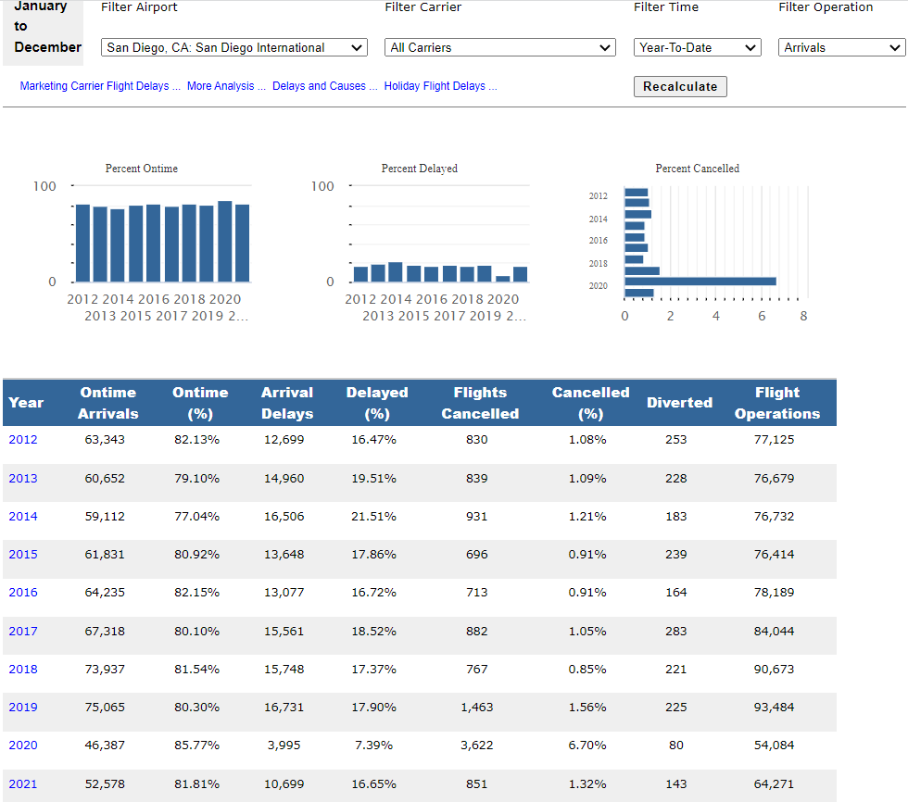
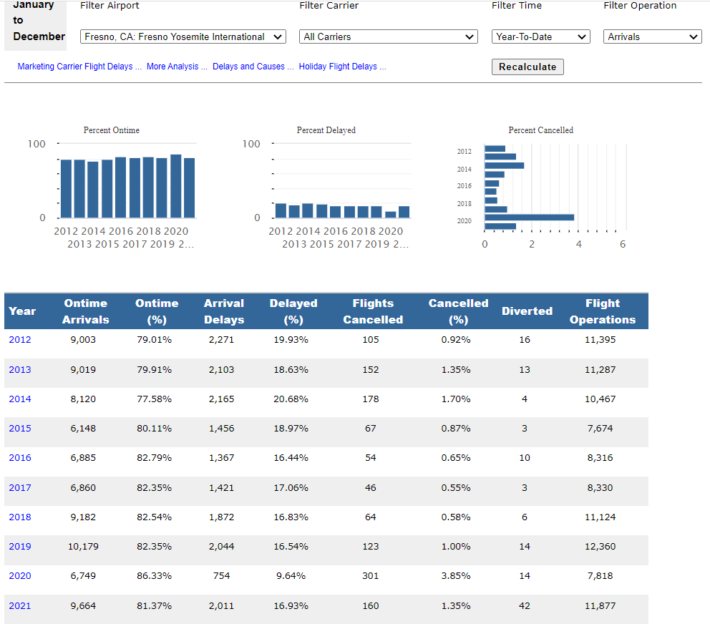

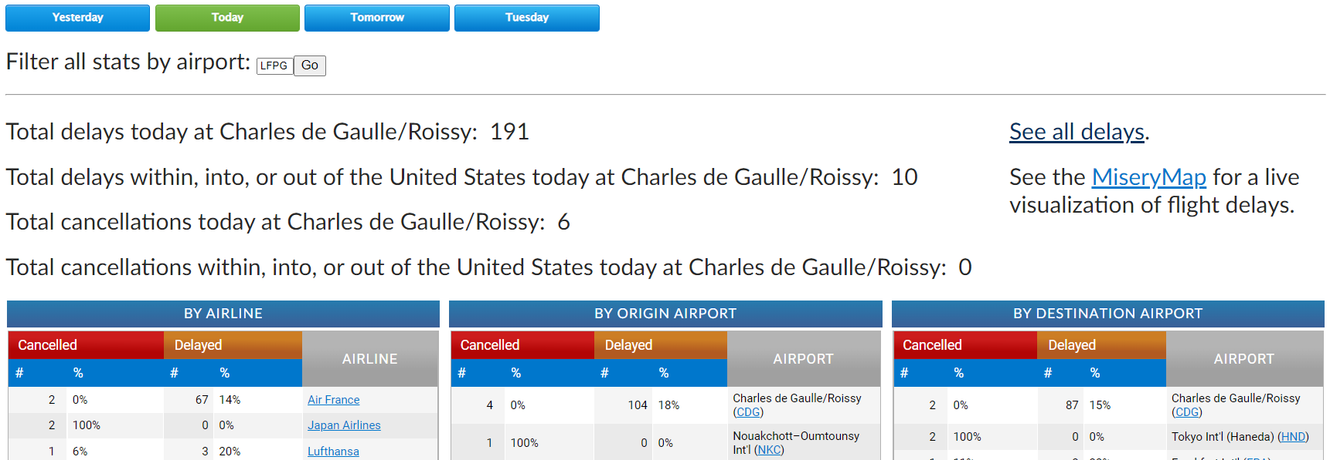

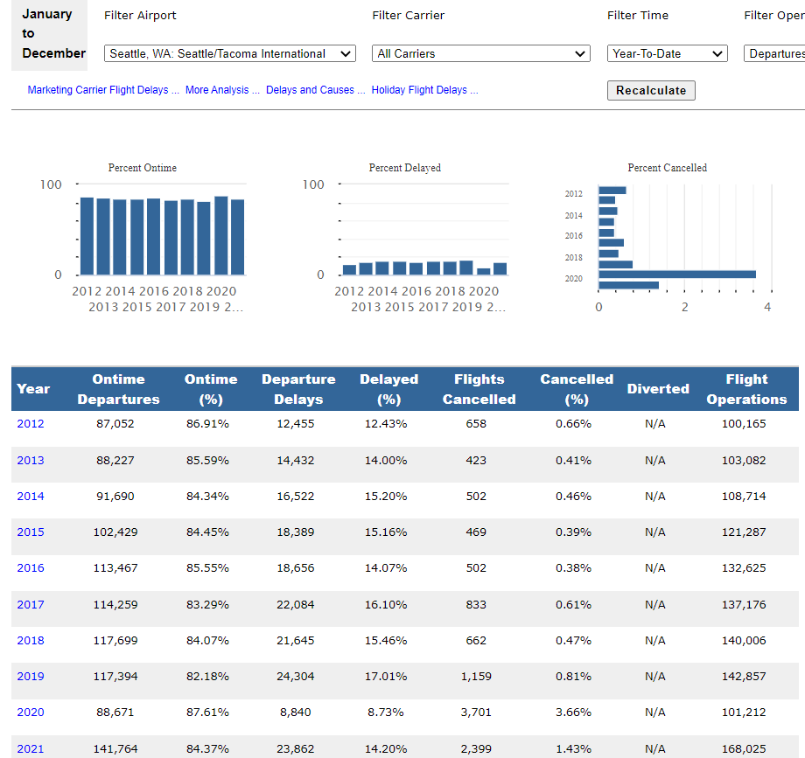
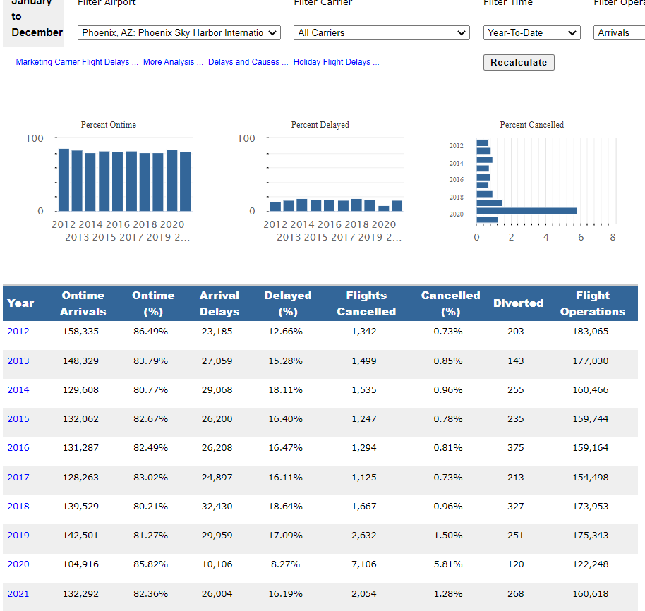

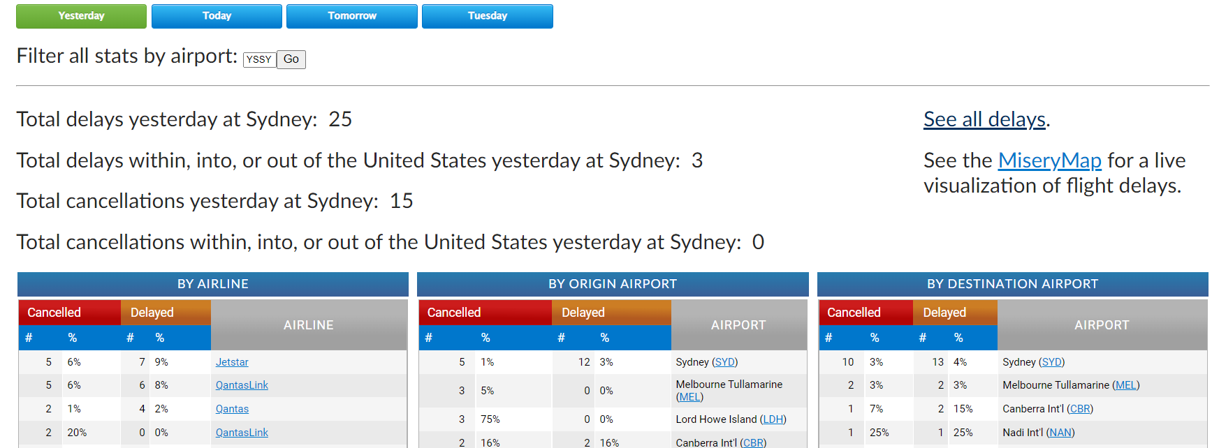

Vacation Cost









Decision Tree with EMV
International Travel : Scenario 1
Destination | Trip Cost | RTPcrCost | RTPcr Test Results +ve Probability(Origin) | RTPcr Test Results +ve Probability(Destin) | Refund | Flight cancellation probability | Total Cost | Refundable | Sensitivity Analysis Variables
1. London | $7,276.00 | $340.00 | 5.87% | 9.03% | $7,276.00 | 1.43% | $7,616.00 | $4,616.00
2.Paris | $3,426.00 | $340.00 | 5.87% | 20.66% | $3,426.00 | 1.43% | $3,766.00 | $2,266.00 | 1. Covid cases ( rise/ decline)
3.Sydney | $4,708.00 | $340.00 | 5.87% | 32.61% | $4,708.00 | 3.00% | $5,048.00 | $3,048.00 | 2.Flight Cancellations (rise/ decline)

Domestic Travel : Scenario 2
Destination | Total Cost | RTPcrCost | RTPcr Test Results +ve Probability | Refund | Flight cancellation probability | Total Cost | Refundable
1. San Diego | $1,984.00 | $340.00 | 5.87% | $1,984.00 | 1.32% | $2,324.00 | $1,524.00
2. Yosemite | $2,090.00 | $340.00 | 5.87% | $2,090.00 | 1.35% | $2,430.00 | $1,530.00
3. Grand Canyon | $4,230.00 | $340.00 | 5.87% | $4,230.00 | 1.28% | $4,570.00 | $2,570.00

Visiting Parents : Scenario 3 | No uncertainity
Visit | spend
Family | 2500

 |  | *- Some of the data is dynamic (which is generated based on daily summaries from the websites)

Covid +ve
London
 |  |  |  |  | 5.87% | 1.9567%
 |  |  |  |  | ($340) | 7276
 |  |  |  | 33.333% | Covid Result
 |  |  |  | 7616 | 7555.66023
Flight Cancelled
 |  |  |  |  |  | 1.43% | 0.4487%
 |  |  |  |  |  | ($3,000) | $4,616
Covid -ve
 |  |  |  |  | 94.13% | Flight Cancellation
 |  |  |  |  | 0 | 7573.1
Flight not cancelled
 |  |  |  |  |  | 98.57% | 30.928%
 |  |  |  |  |  | 0 | 7616
International
 |  |  | TRUE | International (EMV)
 |  |  | 0 | 5417.6917817
Covid +ve
 |  |  |  |  | 5.87% | 1.9567%
 |  |  |  |  | ($340) | 3426
 |  |  |  | 33.333% | Covid Result
Paris
 |  |  |  | 3766 | 3725.851115
Flight Cancelled
 |  |  |  |  |  | 1.43% | 0.4487%
 |  |  |  |  |  | ($1,500) | $2,266
Covid -ve
 |  |  |  |  | 94.13% | Flight Cancellation
 |  |  |  |  | 0 | 3744.55
Flight not Cancelled
 |  |  |  |  |  | 98.57% | 30.928%
 |  |  |  |  |  | 0 | $3,766
Covid +ve
 |  |  |  |  | 5.87% | 1.9567%
 |  |  |  |  | ($340) | 4708
 |  |  |  | 33.333% | Covid Result
Sydney
 |  |  |  | 5048 | 4971.564
 |  |  |  |  |  | 3.0% | 0.9413%
Flight Cancelled
 |  |  |  |  |  | ($2,000) | $3,048
 |  |  |  |  | 94.13% | Flight Cancellation
Covid -ve
 |  |  |  |  | 0 | 4988
 |  |  |  |  |  | 97.0% | 30.4354%
Flight Not Cancelled
 |  |  |  |  |  | 0 | $5,048
 |  |  | Travel
Spring Vacation Plan
 |  |  | 5417.6917817
 |  |  |  |  | 5.87% | 0.0%
Covid +ve
 |  |  |  |  | ($340) | 1984
 |  |  |  | 33.3333% | Covid Result
SanDiego
 |  |  |  | $2,324 | 2294.101872
 |  |  |  |  |  | 1.32% | 0.0%
Flight Cancelled
 |  |  |  |  |  | ($800) | $1,524
 |  |  |  |  | 94.13% | Flight Cancellation
Covid -ve
 |  |  |  |  | 0 | 2313.44
 |  |  |  |  |  | 98.68% | 0.0%
Flight Not Cancelled
 |  |  |  |  |  | 0 | $2,324
 |  |  | FALSE | National (EMV)
National
 |  |  | 0 | 3072.8839323
 |  |  |  |  | 5.87% | 0.0%
Covid +ve
 |  |  |  |  | ($340) | 2090
 |  |  |  | 33.3333% | Covid Result
Yosemite
 |  |  |  | $2,430 | 2398.605205
 |  |  |  |  |  | 1.35% | 0.0%
Flight Cancelled
 |  |  |  |  |  | ($900) | $1,530
 |  |  |  |  | 94.13% | Flight Cancellation
Covid -ve
 |  |  |  |  | 0 | 2417.85
 |  |  |  |  |  | 98.65% | 0.0%
Flight Not Cancelled
 |  |  |  |  |  | 0 | $2,430
 |  |  |  |  | 5.87% | 0.0%
Covid +ve
 |  |  |  |  | ($340) | 4230
 |  |  |  | 33.3333% | Covid Result
Grand Canyon
 |  |  |  | $4,570 | 4525.94472
 |  |  |  |  |  | 1.28% | 0.0%
Flight Cancelled
 |  |  |  |  |  | ($2,000) | $2,570
 |  |  |  |  | 94.13% | Flight Cancellation
Covid -ve
 |  |  |  |  | 0 | 4544.4
 |  |  |  |  |  | 98.72% | 0.0%
Flight Not Cancelled
 |  |  |  |  |  | 0 | $4,570
 |  |  | FALSE | 0.0%
Family(Domestic)
 |  |  | $2,500.00 | $2,500

